Design
Please enter the data in white cells
LTC4421 Design Tool

Primary Input Supply

Highest Priority Input Voltage | 24 | V
Over Voltage Rising | 27 | V
Under Voltage Rising | 21.5 | V
Under Voltage Falling | 21 | V
Supply Tolerance | 1 | %
Current Limit | 25 | A
Load Current | 20 | A

OV UV Resistors
For Primary Input Supply
Resistor Netwrok Option | 1
Resistor Tolerance | 1 |  |  |  |  | E96 (1%)
Go to line#21 to continue design

Option 1 Resistor Calculations
Resistor Ladder Current | 10.00 | uA
OV1, UVR1, UVF1 Pin Leakage Current | 10.00 | nA

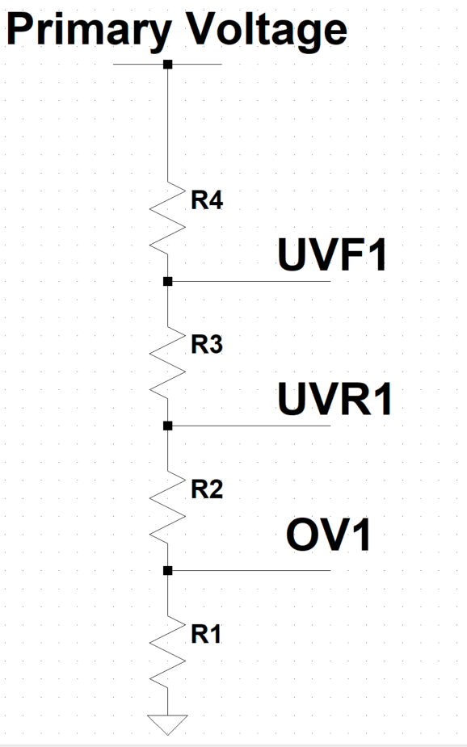
R1 + R2 + R3 + R4 | 2400.00 | kΩ
R1 | 44.44 | kΩ
R2 | 11.37 | kΩ
R3 | 1.33 | kΩ
R4 | 2342.86 | kΩ

Suggested Standard Resistor Values
R1 | 44.20 | kΩ |  |  |  | E96 (1%) | 96 | 1 | 1 | Active E | active %
R2 | 11.30 | kΩ |  |  |  | E192 (0.5%) | 192 | 0.5 | 0 | 96 | 1
R3 | 1.33 | kΩ |  |  |  | E192 (0.25%) | 192 | 0.25 | 0
R4 | 2320.00 | kΩ |  |  |  | E192 (0.1%) | 192 | 0.1 | 0

Selected Standard Resistor Values |  |  |  |  |  | min | max
R1 | 38.80 | kΩ |  |  |  | 38.412 | 39.188
R2 | 13.50 | kΩ |  |  |  | 13.365 | 13.635
R3 | 4.99 | kΩ |  |  |  | 4.9401 | 5.0399
R4 | 1140.00 | kΩ |  |  |  | 1128.6 | 1151.4
Resistor Tolerance | 1.00 | %
Worst Case Power Dissipation | 1.14E-04 | W |  |  |  | Resistor Power Rating
Recommended Power Rating of the Resistor | 0.05 | W |  |  |  | 0.05
 |  |  |  |  |  | 0.062
Actual Thresholds | Min | Typ | Max |  |  | 0.1
Actual Over Voltage Rising | 14.83 | 15.43 | 16.05 | V |  | 0.125
Actual Over Voltage Falling | 12.38 | 13.22 | 14.09 | V |  | 0.25
Actual Under Voltage Rising | 11.01 | 11.45 | 11.90 | V |  | 0.5
Actual Under Voltage Falling | 10.05 | 10.45 | 10.86 | V |  | 1

Overvoltage B53threshold is lower than the allowed supply voltage tolerance. Chose a higher Overvoltage Threshold
Option 2 Resistor Calculations

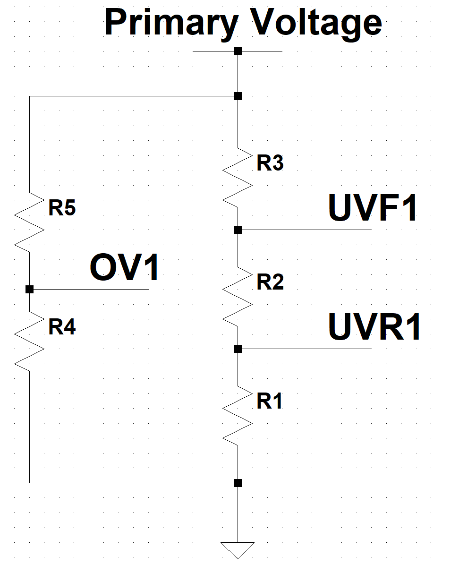
Current in Each Resistor Leg | 3.00 | uA
OV1, UVR1, UVF1 Pin Leakage Current | 10.00 | nA

Calculated Resistor Values
R_TOTAL each leg | 8000.00 | kΩ
R1 | 186.05 | kΩ
R2 | 4.43 | kΩ
R3 | 7809.52 | kΩ
R4 | 148.15 | kΩ
R5 | 7851.85 | kΩ

Suggested Standard Resistor Values
R1 | 187.00 | kΩ
R2 | 4.42 | kΩ
R3 | 7870.00 | kΩ
R4 | 147.00 | kΩ
R5 | 7870.00 | kΩ

Selected Standard Resistor Values |  |  |  |  |  | min | max
R1 | 221.00 | kΩ |  |  |  | 218.79 | 223.21
R2 | 110.00 | kΩ |  |  |  | 108.9 | 111.1
R3 | 3650.00 | kΩ |  |  |  | 3613.5 | 3686.5
R4 | 124.00 | kΩ |  |  |  | 122.76 | 125.24
R5 | 3830.00 | kΩ |  |  |  | 3791.7 | 3868.3
Resistor Tolerance | 1.00 | %
Worst Case Power Dissipation | 3.83E-04 | W
Recommended Power Rating of the Resistor | 0.05 | W

Actual Thresholds | Min | Typ | Max
Actual Over Voltage Rising | 15.32 | 15.94 | 16.58 | V
Actual Over Voltage Falling | 13.45 | 14.35 | 15.28 | V
Actual Under Voltage Rising | 8.66 | 9.01 | 9.36 | V
Actual Under Voltage Falling | 5.79 | 6.01 | 6.25 | V

Option 3 Resistor Calculations
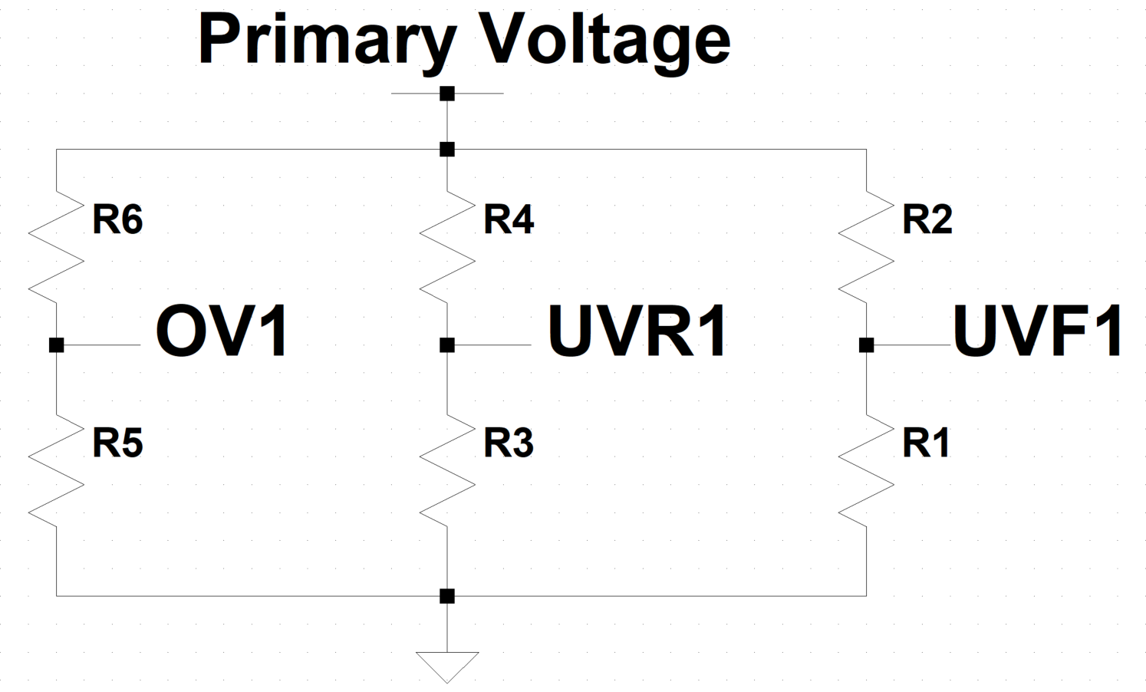
Current in Each Resistor Leg | 2.00 | uA
OV1, UVR1, UVF1 Pin Leakage Current | 10.00 | nA

Calculated Resistor Values
R_TOTAL each leg | 12000.00 | kΩ
R1 | 285.71 | kΩ
R2 | 11714.29 | kΩ
R3 | 279.07 | kΩ
R4 | 11720.93 | kΩ
R5 | 222.22 | kΩ
R6 | 11777.78 | kΩ

Suggested Standard Resistor Values
R1 | 287.00 | kΩ
R2 | 11800.00 | kΩ
R3 | 280.00 | kΩ
R4 | 11800.00 | kΩ
R5 | 221.00 | kΩ
R6 | 11800.00 | kΩ

Selected Standard Resistor Values |  |  |  |  |  | min | max
R1 | 280.00 | kΩ |  |  |  | 277.2 | 282.8
R2 | 5760.00 | kΩ |  |  |  | 5702.4 | 5817.6
R3 | 261.00 | kΩ |  |  |  | 258.39 | 263.61
R4 | 11800.00 | kΩ |  |  |  | 11682 | 11918
R5 | 226.00 | kΩ |  |  |  | 223.74 | 228.26
R6 | 11800.00 | kΩ |  |  |  | 11682 | 11918
Resistor Tolerance | 1.00 | %
Worst Case Power Dissipation | 1.18E-03 | W
Recommended Power Rating of the Resistor | 0.05 | W

Actual Thresholds | Min | Typ | Max
Actual Over Voltage Rising | 25.57 | 26.61 | 27.68 | V
Actual Over Voltage Falling | 23.48 | 23.95 | 24.42 | V
Actual Under Voltage Rising | 22.20 | 23.11 | 24.03 | V
Actual Under Voltage Falling | 10.37 | 10.79 | 11.21 | V

Undervoltage threshold is lower than the allowed supply voltage tolerance. Chose a lower Undervoltage Threshold

Power Path
Current Limit | 25 | A

 | Min | Typ | Max
Power Dissipation across sense resistor netwrok during current limit | 0.5 | 0.625 | 0.75 | W
Allowed Power Dissipation per Sense Resistor | 1 | W
Desired Maximum Power Dissipation per Sense Resistor | 0.5 | W
Number of resistors required | 1
Equivalent Rsense of the power path should be | 1 | mΩ
Value of each resistor in Rsense should be | 1 | mΩ
Rsense Selected | 1 | mΩ
Sense Resistor Tolarance | 1 | %
Number of Sense Resistors Populated | 1

 | Min | Typ | Max
Effective Rsense | 0.99 | 1.00 | 1.01 | mΩ

 | Min | Typ | Max
Actual Current Limit | 19.80 | 25.00 | 30.30 | A
Actual Power Dissipation per Sense Resistor | 0.39 | 0.63 | 0.93 | W

Snubber
CSN1 | 10.00 | uF
RSN1 | 0.96 | Ω
Resistor Tolerance | E96 (1%)
Suggested RSN1 | 1.0 | Ω

Motor Boating
Voltage Source Input Resistance | 0.0090 | 0.0100 | 0.0110 | Ω
Voltage Drop due to Source Resistance | 0.17821782178 | 0.25 | 0.33 | V
Difference in UVrise and UVfall Voltage | 0.96 | 1.00 | 1.04 | V
High chance of Motor boating. Please set the UVrise and UVfall voltages further apart.

Secondary Input Supply
Secondary Input Voltage | 12 | V
Over Voltage Rising | 13 | V
Under Voltage Rising | 11.5 | V
Under Voltage Falling | 1900-01-10 12:00:00 | V
Supply Tolerance | 1 | %
Current Limit | 16.25 | A
Load Current | 20 | A
Go to line#179 to continue design

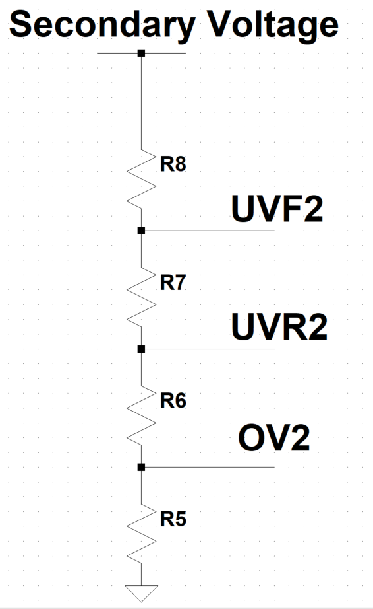
Option 1 Resistor Calculations
OV UV Resistors
Resistor Ladder Current | 10.00 | uA
OV2, UVR2, UVF2 Pin Leakage Current | 10.00 | nA

R5+R6+R7+R8 | 1200.00 | kΩ
R5 | 46.15 | kΩ
R6 | 6.02 | kΩ
R7 | 4.97 | kΩ
R8 | 1142.86 | kΩ

Suggested Standard Resistor Values
Resistor Tolerance | E96 (1%)
R5 | 46.40 | kΩ
R6 | 6.04 | kΩ
R7 | 4.99 | kΩ
R8 | 1150.00 | kΩ

Selected Standard Resistor Values |  |  |  |  |  | min | max
R5 | 38.80 | kΩ |  |  |  | 38.412 | 39.188
R6 | 13.50 | kΩ |  |  |  | 13.365 | 13.635
R7 | 9.65E+00 | kΩ |  |  |  | 9.5535 | 9.7465
R8 | 1140.00 | kΩ |  |  |  | 1128.6 | 1151.4
Resistor Tolerance | 1.00 | %
Worst Case Power Dissipation | 0.00 | W
Recommended Power Rating of the Resistor | 0.05 | W

Actual Thresholds | Min | Typ | Max
Actual Over Voltage Rising | 14.89 | 15.49 | 16.11 | V
Actual Over Voltage Falling | 12.38 | 13.22 | 14.09 | V
Actual Under Voltage Rising | 11.05 | 11.49 | 11.95 | V
Actual Under Voltage Falling | 9.33 | 9.70 | 10.08 | V
Undervoltage threshold is lower than the allowed supply voltage tolerance. Chose a lower Undervoltage Threshold

Option 2 Resistor Calculations
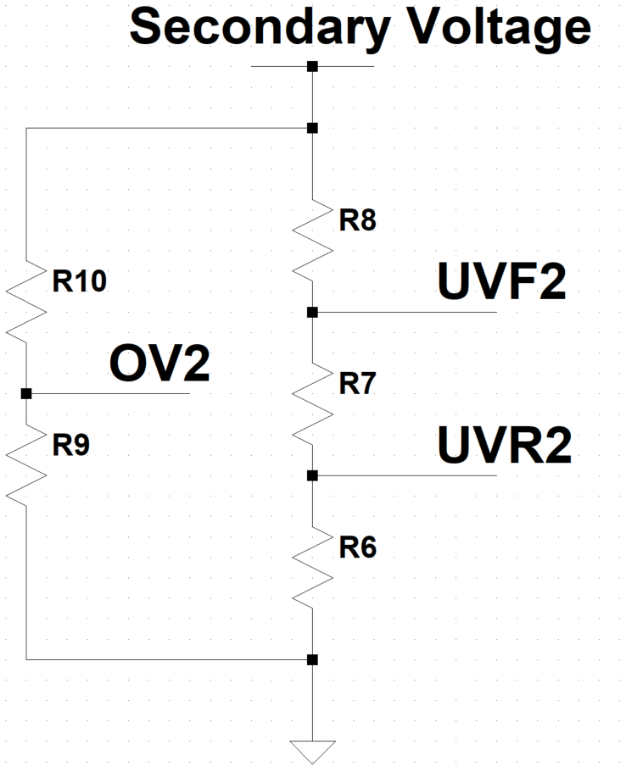
Current in Each Resistor Leg | 3.00 | uA
OV1, UVR1, UVF1 Pin Leakage Current | 10.00 | nA

Calculated Resistor Values
R_TOTAL each leg | 4000.00 | kΩ
R6 | 173.91 | kΩ
R7 | 16.56 | kΩ
R8 | 3809.52 | kΩ
R9 | 153.85 | kΩ
R10 | 3846.15 | kΩ

Suggested Standard Resistor Values
R6 | 174.00 | kΩ
R7 | 16.50 | kΩ
R8 | 3830.00 | kΩ
R9 | 154.00 | kΩ
R10 | 3830.00 | kΩ

Selected Standard Resistor Values |  |  |  |  |  | min | max
R6 | 442.00 | kΩ |  |  |  | 437.58 | 446.42
R7 | 221.00 | kΩ |  |  |  | 218.79 | 223.21
R8 | 7320.00 | kΩ |  |  |  | 7246.8 | 7393.2
R9 | 110.00 | kΩ |  |  |  | 108.9 | 111.1
R10 | 7870.00 | kΩ |  |  |  | 7791.3 | 7948.7
Resistor Tolerance | 1.00 | %
Worst Case Power Dissipation | 7.87E-04 | W
Recommended Power Rating of the Resistor | 0.05 | W

Actual Thresholds | Min | Typ | Max
Actual Over Voltage Rising | 34.85 | 36.27 | 37.74 | V
Actual Over Voltage Falling | 30.59 | 32.65 | 34.78 | V
Actual Under Voltage Rising | 8.68 | 9.03 | 9.39 | V
Actual Under Voltage Falling | 5.79 | 6.02 | 6.25 | V

Option 3 Resistor Calculations

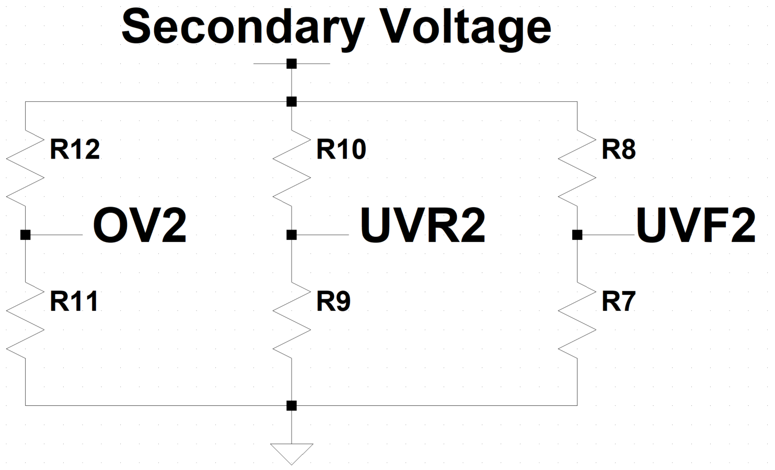
Current in Each Resistor Leg | 2.00 | uA
OV1, UVR1, UVF1 Pin Leakage Current | 10.00 | nA

Calculated Resistor Values
R_TOTAL each leg | 6000.00 | kΩ
R7 | 285.71 | kΩ
R8 | 5714.29 | kΩ
R9 | 260.87 | kΩ
R10 | 5739.13 | kΩ
R11 | 230.77 | kΩ
R12 | 5769.23 | kΩ

Suggested Standard Resistor Values
R7 | 287.00 | kΩ
R8 | 5760.00 | kΩ
R9 | 261.00 | kΩ
R10 | 5760.00 | kΩ
R11 | 232.00 | kΩ
R12 | 5760.00 | kΩ

Selected Standard Resistor Values |  |  |  |  |  | min | max
R7 | 287.00 | kΩ |  |  |  | 284.13 | 289.87
R8 | 5760.00 | kΩ |  |  |  | 5702.4 | 5817.6
R9 | 261.00 | kΩ |  |  |  | 258.39 | 263.61
R10 | 5760.00 | kΩ |  |  |  | 5702.4 | 5817.6
R11 | 232.00 | kΩ |  |  |  | 229.68 | 234.32
R12 | 5760.00 | kΩ |  |  |  | 5702.4 | 5817.6
Resistor Tolerance | 1.00 | %
Worst Case Power Dissipation | 5.76E-04 | W
Recommended Power Rating of the Resistor | 0.05 | W

Actual Thresholds | Min | Typ | Max
Actual Over Voltage Rising | 12.41 | 12.91 | 13.43 | V
Actual Over Voltage Falling | 11.40 | 11.62 | 11.85 | V
Actual Under Voltage Rising | 11.09 | 11.53 | 11.99 | V
Actual Under Voltage Falling | 10.13 | 10.53 | 10.95 | V

Undervoltage threshold is lower than the allowed supply voltage tolerance. Choose a lower Undervoltage Threshold

Power Path
Current Limit | 16.25 | A

 | Min | Typ | Max
Power Dissipation across sense resistor netwrok during current limit | 0.325 | 0.40625 | 0.4875 | W
Allowed Power Dissipation per Sense Resistor | 1 | W
Desired Maximum Power Dissipation per Sense Resistor | 0.5 | W
Number of resistors required | 0
Equivalent Rsense of the power path should be | 1.5384615385 | mΩ
Value of each resistor in Rsense should be | 0 | mΩ
Rsense Selected | 1 | mΩ
Sense Resistor Tolarance | 1 | %
Number of Sense Resistors Populated | 1

The equivalent Rsense with the selected value of Rsense resistor and number of Rsense resistors isdifferent than the desired value of equivalent Rsense. Please pay attention to current limit value as it will be different than the desired value
 | Min | Typ | Max
Effective Rsense | 0.99 | 1.00 | 1.01 | mΩ

 | Min | Typ | Max
Actual Current Limit | 19.80 | 25.00 | 30.30 | A
Actual Power Dissipation per Sense Resistor | 0.39 | 0.63 | 0.93 | W

Snubber
CSN2 | 10.00 | uF
RSN2 | 0.48 | Ω
Resistor Tolerance | E96 (1%)
Suggested RSN2 | 0.5 | Ω

Motor Boating
Voltage Source Input Resistance | 0.0090 | 0.0100 | 0.0110 | Ω
Voltage Drop due to Source Resistance | 0 | 0.00 | 0.00 | V
Difference in UVrise and UVfall Voltage | 1.72 | 1.79 | 1.86 | V
Low chance of Motor Boating

Input Supply Validity
Desired Qualification Time for Validity | 16.00 | ms
Required Cap on Qual Pin | 1.00 | nF
Closest Standard Cap Value | 1.50 | nF
Cap Value Populated on Qual Pin | 1.50 | nF
Qual Pin Cap Tolerance | 1.00 | %

 | Min | Typ | Max
Actual Qualification Time for Validity | 15.80 | 23.94 | 35.46 | ms

Output Stage
Output Cap ESR | 42 | mΩ
Allowed Output Voltage Droop during switchover | 1200 | mV
During switch over, Output voltage droop due to cap ESR | 840 | mV

Minimum Cout Required | 833.333 | uF
Closest Standard Cap value | 1000.000 | uF
Cout Selected | 1200 | uF
Cap Tolerance | 20 | %

 | Min | Typ | Max
Actual Total Output Voltage Droop during switchover | 1048.3333333 | 1090 | 1152.5 | mV

Primary Side Timer cap selection
 | Min | Typ | Max
Time to charge the output cap from 0V to 24V using primary supply | 2236.2352941 | 5760 | -174528 | us

Primary Supply Timer Cap Should be more than | -3173.24 | nF
Closest Standard Cap Value | 1.00 | nF
Primary Supply Timer Cap Populated | 10000 | nF
Timer Cap Tolerance | 5 | %

 | Min | Typ | Max
Primary Supply Timer | 522500 | 830000 | 1312500 | us

Primary Side MOSFET Selection and SOA Limit Calculation

Select LTC4421 Data Sheet MOSFET Used from drop down menu. If different MOSFET used, select "OTHER MOSFET" | OTHER MOSFET

 |  |  | 33 | FALSE
 |  |  | 1ms | 10ms
Enter MOSFET 1ms and 10ms Data Sheet SOA currents at VDS = Over Voltage Rising |  |  | 200 | 90 | Amps

 |  |  | T_ambient | T_junction max
Enter ambient and Maximum MOSFET Junction Temperatures |  |  | 35 | 175 | C

MOSFET SOA Current @ 25C and Max Primary Supply Timer | 17 | Amps
MOSFET SOA Current @ T_ambient and Max Primary Supply Timer | 15 | Amps

Maximum Actual Current Limit | 30 | Amps
MOSFET SOA margin @ 25C | -45 | % | Warning: MOSFET SOA may be exceeded for resistive output shorts
MOSFET SOA margin @ T_ambient | -49 | % | Warning: MOSFET SOA may be exceeded for resistive output shorts

Secondary Side Timer cap selection
 | Min | Typ | Max
Time to charge the output cap from 0V to 12V using secondary supply | 1118.1176471 | 2880 | -87264 | us

Secondary Supply Timer Cap Should be more than | -1586.62 | nF
Closest Standard Cap Value | 1.00 | nF
Secondary Supply Timer Cap Populated | 33 | nF
Timer Cap Tolerance | 5 | %

 | Min | Typ | Max
Secondary Supply Timer | 1724.25 | 2739 | 4331.25 | us

Secondary Side MOSFET Selection and SOA Limit Calculation
 |  |  | Data Sheet MOSFET SOA Drain Current at Overvoltage
Select LTC4421 Data Sheet MOSFET Used from drop down menu. If different MOSFET used, select "OTHER MOSFET" | SiR158 |  | 1ms | 10ms
 |  |  | 36.82 | 14.42 | Amps

 |  |  | T_ambient | T_junction max
 | Enter Ambient Temperature |  | 33 | 150 | C

 |  |  | 200 | 90

 |  |  | 35 | 175

MOSFET SOA Current @ 25C and Max Primary Supply Timer | 20 | Amps
MOSFET SOA Current @ T_ambient and Max Primary Supply Timer | 19 | Amps

Maximum Actual Current Limit | 30 | Amps
MOSFET SOA margin @ 25C | -33 | % | Warning: MOSFET SOA may be exceeded for resistive output shorts
MOSFET SOA margin @ T_ambient | -37 | % | Warning: MOSFET SOA may be exceeded for resistive output shorts

